Instructions
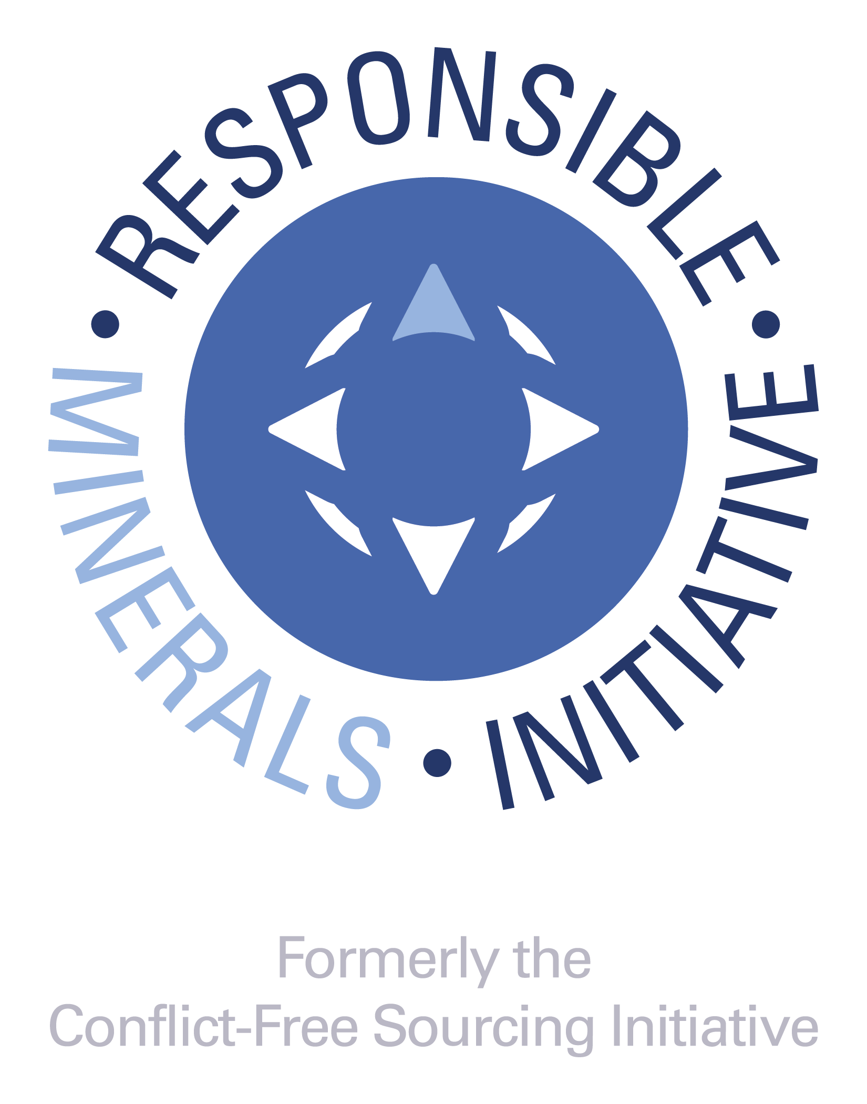 RMI:www.responsiblemineralsinitiative.org/
Introduction
This Extended Mineral Reporting Template (EMRT) is a free, standardized reporting template created by the Responsible Minerals Initiative® (RMI®). The Template facilitates the transfer of information through the supply chain regarding mineral country of origin and smelters, refiners and processors being utilized and supports the exercise of due diligence in accordance with the OECD Due Diligence Guidance for Responsible Supply Chains of Minerals from Conflict-Affected and High-Risk Areas. The template also facilitates the identification of new smelters and refiners to potentially undergo an audit via the Responsible Minerals Assurance Process. The EMRT was designed for downstream companies to disclose information about their supply chains up to but not including the smelter. If you are a smelter or refiner, we recommend you enter your own name in the smelter list tab. When filling out the form, none of the cell entries should start with "=" or "#."

Instructions for completing Company Information questions (rows 8 - 22). Provide comments in ENGLISH only
Note: Entries with (*) are mandatory fields.
1. Insert your company's Legal Name. Please do not use abbreviations. In this field you have the option to add other commercial names, DBAs, etc. This field is mandatory.
2. Select your company's Declaration Scope. The options for scope are: A. Company-wide B. Product (or List of Products) C. User-Defined For "Company-wide", the declaration encompasses the entirety of a company's products or product substances produced by the parent company. Therefore if the user is reporting cobalt or natural mica data at the company level, they will be reporting data on all products they manufacture. For Scope selection of Product (or List of Products), a link to the worksheet tab for Product List will be displayed. If this scope is chosen, it is mandatory to list the Manufacturer's Product Number of the products covered under the Scope of this Declaration in Column B of the Product List worksheet. It is optional to list the Manufacturer's Product Name in Column C of the Product List worksheet. For Scope selection of "User Defined", it is mandatory that the user describes the scope to which the cobalt or natural mica disclosure is applicable. The scope of this class shall be defined in a text field by the supplier and should be easily understood by customers or the receivers of the document. As an example, companies may provide a link to clarifying information. This field is mandatory.
3. Insert your company’s unique identifier number or code (DUNS number, VAT number, customer-specific identifier, etc.)
4. Insert the source for the unique identifier number or code ("DUNS", "VAT", "Customer", etc).
5. Insert your full company address (street, city, state, country, postal code). This field is optional.
6. Insert the name of the person to contact regarding the contents of the declaration information. This field is mandatory.
7. Insert the email address of the contact person. If an email address is not available, state "not available" or "n/a". A blank field may cause an error in form implementation. This field is mandatory.
8. Insert the telephone number for the contact. This field is mandatory.
9. Insert the name of the person who is responsible for the contents of the declaration information. The authorizer may be a different individual than the contact person. It is not correct to use the words ‘‘same’’ or similar identification to provide the name of the authorizer. This field is mandatory.
10. Insert the title for the Authorizing person. This field is optional.
11. Insert the email address of the Authorizing person. If an email address is not available, state ‘‘not available’’ or ‘‘n/a.’’ A blank field may cause an error in form implementation. This field is mandatory.
12. Insert the telephone number for the Authorizing person. This field is optional.
13. Please enter the Date of Completion for this form using the format DD-MMM-YYYY. This field is mandatory.
14. As an example, the user may save the file name as: companyname-date.xlsx (date as YYYY-MM-DD).

Instructions for completing the seven Declaration of Scope Questions (rows 24 - 63). Provide answers in ENGLISH only
These seven questions define the usage, origination and sourcing identification for cobalt or natural mica. The questions are designed to collect information about the use of cobalt or natural mica in the company’s product(s) and the completeness of reporting. Responses to these questions shall represent the ‘Declaration Scope’ selected in the company information section.
Provide comments in the Comment sections as required to clarify your responses.
Provide an answer using the pull down menu selections. If the response for cobalt or natural mica to question 1 and 2 is positive, then all questions shall be completed for cobalt or natural mica and the following due diligence questions (A to G) shall be completed about the company’s overall due diligence program.
1. This question is used to determine whether cobalt or natural mica is within the scope of the reporting requirement. The response to this question serves to exclude any trace-level contaminants or naturally-occurring by-products. This question asks if any cobalt or natural mica is used as raw material, component or additive in a product that you manufacture, including compounds. Impurities from raw materials, components, additives, abrasives, and cutting tools are outside the scope of the survey. The answer to this question shall be either "yes" "no" "unknown" or "not applicable for this declaration". "Not applicable for this declaration" can be used if a material is not in scope of the declaration.
Some companies may require substantiation for a "No" answer that should be entered into the Comment Field.
2. This question shall be answered for cobalt and/or mica for which the answer to question 1 is "yes." This is the second of two questions for which the response is used to determine whether the cobalt or mica is within the scope of this reporting template. This question is dependent upon the question and response to Question 1. This question is intended to identify cobalt and mica which are intentionally added or included in the manufacturing process of a product where some amount of the cobalt and mica remains in the finished product. This includes cobalt and mica which may not have been intended to become part of the final product and may not be necessary to the functionality of the product but are only present as residuals of the manufacturing process. In many cases, the manufacturer may have attempted to remove or facilitate consumption of the cobalt and mica during the manufacturing process, however, some amount of the cobalt and mica remains. Should the cobalt or mica, which is added or included during the manufacturing process, be completely removed such that none of the cobalt or mica remains upon the completion of that process, the response to this question would be no. This question shall be answered for cobalt and mica. Valid answers to this question are either "yes", "no", or "unknown". This question is mandatory.
3. This is a declaration that any portion of the cobalt or natural mica contained in a product or multiple products originates from a conflict-affected and high-risk area (CAHRA). The answer to this question should be "yes" if any smelter in the supply chain sources from CAHRAs, regardless of whether such a smelter has been independently audited or not. The answers to this question for cobalt shall be "yes," "no," "unknown," or "DRC only." The answers to this question for mica shall be "yes," "no," "unknown," or "India and/or Madagascar only." Substantiate a "Yes" answer in the comments section. An answer of "unknown" is an acceptable response. This question is mandatory for cobalt or natural mica if the response to Question 1 and 2 is "Yes."
4. This is a declaration that identifies whether cobalt contained in the product(s) originate exclusively from recycled or scrap sources. The answer to this question shall be "yes", "no", or "unknown". A "Yes" answer means that 100% of the cobalt comes from recycled or scrap sources. A "No" answer means that some of the raw material does not come from recycled or scrap sources. An "Unknown" answer means that the user does not know whether or not 100% of the raw material comes from recycled or scrap sources. This field is mandatory. Note: As of the date of this publication, there is no significant post-consumer recycling of mica.
5. This is a question to determine whether a company has received disclosures from all direct suppliers reasonably believed to be providing cobalt or natural mica contained in the products covered by the scope of this declaration. Permissible responses to this question are: ­ 100% ­ Greater than 90% ­ Greater than 75% - Greater than 50% - 50% or less - None This field is mandatory.
...

